Index
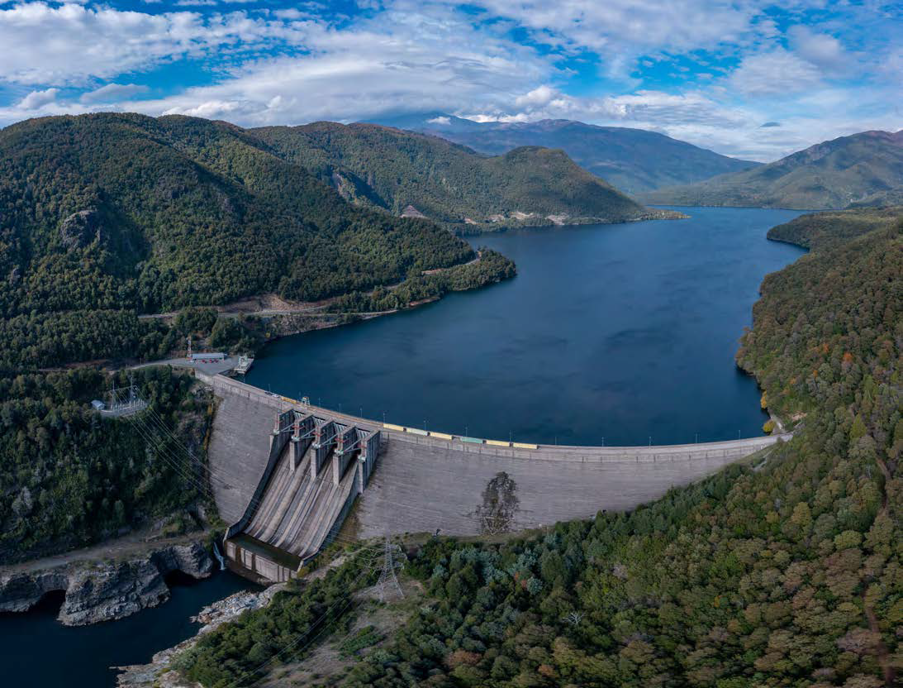

Enel Generación Chile

Financial Statements Analysis Q2 & H1 2025

Index

Market

Income Statement

Operating Income

Energy Sales

Non Operating Income

Balance Sheet

Ratios

Cash Flow

Fixed Assets

Interest Rate

Generation Physical Data

Generation by technology

