Index
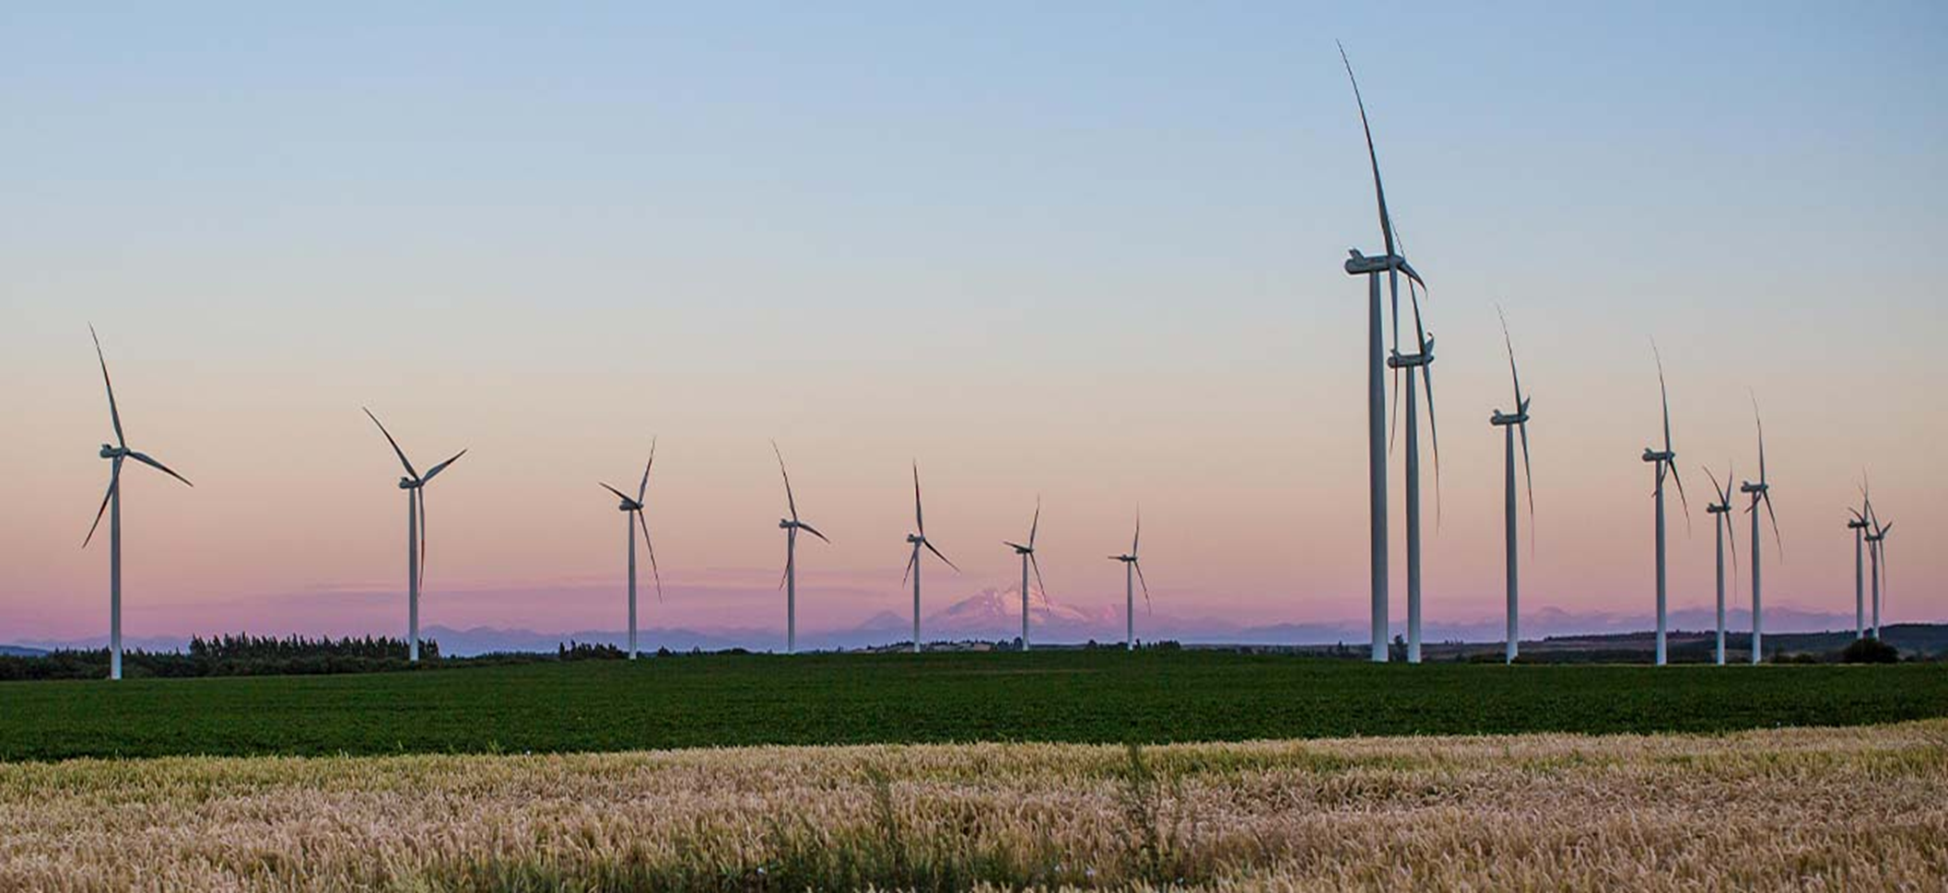

Enel Chile

Financial Statements Analysis Q4 & FY 2025

Index

Generation business

Networks business

Energy Sales Revenues

Enel Chile Results

EBITDA

EBIT & Other by segment

Non Operating Income

Balance Sheet

Ratios

Cash Flow

Fixed Assets

Interest Rate

Generation Physical Data Chile

Generation by technology

Networks Physical Data Chile

